Sheet1

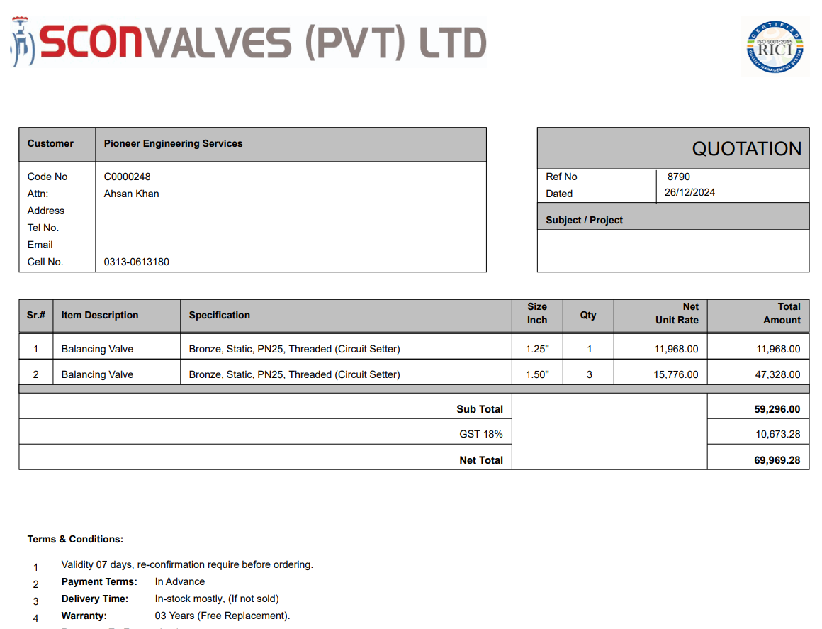

M/S IK Associates |  |  |  |  |  |  |  | 2024-12-28

Project: J Outlet Zeta Mall Islamabad

Attn: Syed Talal Tariq

Variation # 2
Supply & installation of Balancing valves - J Outlet Zeta Mall Islamabad.

S. # | Description | Material Rate | Labour Rate | Over Head profit 28% | Total Rate | Unit | Qty | Amount
1 | Supply and installation of 1-1/4" Dia Balancing Valve Bronze threaded | 14,122 | 2,500 | 4,654 | 21,276 | No | 1 | 21,276
2 | Supply and installation of 1-1/2" Dia Balancing Valve Bronze threaded | 18,616 | 2,500 | 5,912 | 27,028 | No | 3 | 81,085
Total Amount Rs. |  |  |  |  |  |  |  | 102,362

Note: Supplier's quotation attached

Thanking you,

For PIONEER ENGINEERING SERVICES.

Bilal Habib

